Sheet1
 |  | Document No. |  | Issue No. |  | Issue Date |  |  | Review and Replace Date |  |  | Authorised By
 |  | GFF280MC |  | 3 |  | 30.03.2021 |  |  | 13.10.2021 |  |  | Magda Shah
 |  | Document Title | Mexican Beef Barbacoa with Brown Rice and Beans 400g
Document amendments reason for change |  | Tray changed |  |  | Page 1 of 1 |  | Previous Issue Date |  |  | 11.08.2021 |  | Uncontrolled copy unless signed original

FBBAB1-R8TMC | MINDFUL CHEF |  |  | Mexican Beef Barbacoa with Brown Rice and Beans 400g | FROZEN
STEP 1 |  |  |  | STEP 2 |  |  |  |  |  |  | STEP 3
 |  |  |  | 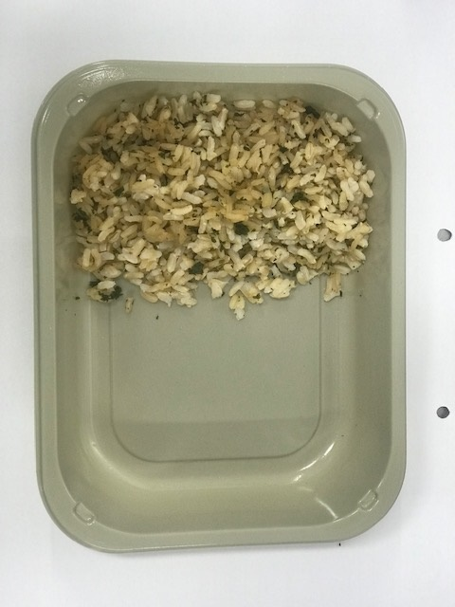 |  |  |  |  |  |  | 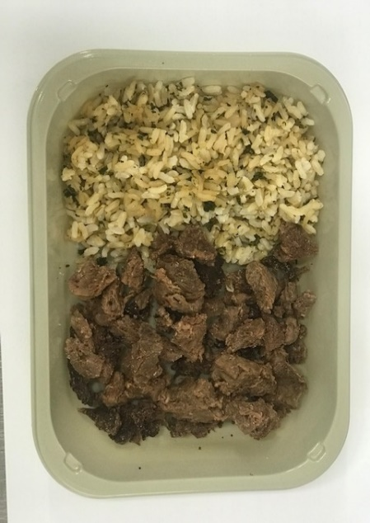

PACK DAY + 1 YEAR NON-MAP PACK

TRAY: EVOLVE CPET 2200-1E FROST (PKRHP001-15) |  |  |  | Brown Rice (GFF255R): 100g |  |  |  |  |  |  | Cooked Beef Chuck (GFF360R): 70g
LINE 1: K-Peel 75G + AF 25 250mm (PKKMP001-01)

STEP 4 |  |  |  |  |  |  |  | STEP 5
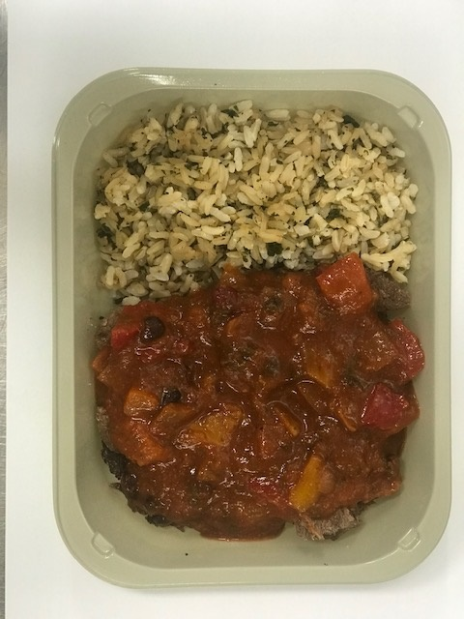 |  |  |  |  |  |  |  | 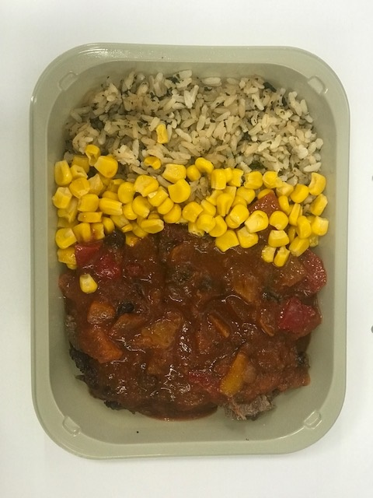

Barbacoa Sauce (GFF359R): 190g |  |  |  |  |  |  |  | Steamed Sweet Corn (GFF361R): 40g |  |  |  |  | TOTAL WEIGHT: 400g

ALLERGY ALERT: none

